Req EbNo values
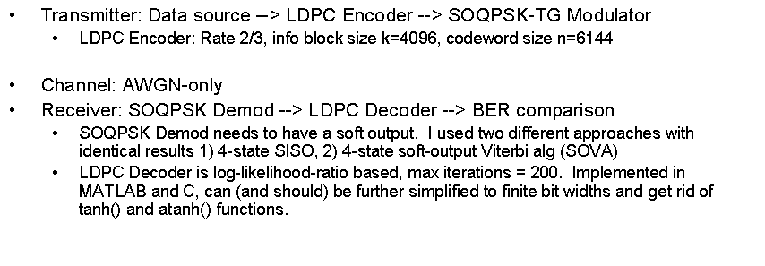
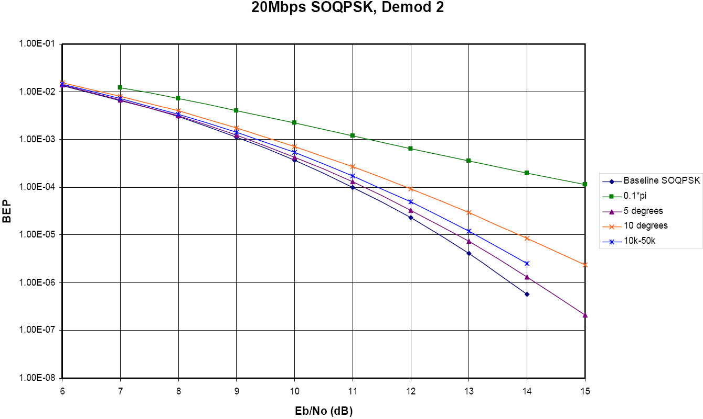
Tsym | 5.285 | us
Code Rate: | 0.66666666667
Modulation | Eb/No dB | user bits/sym | bits/sym dB | Es/No dB | Per Channel DR with 1 4us carrier
SOQPSK (uncoded) | 14 | 2.00 | 3.01 | 17.01 | 3.78E+05
2/3-SOQPSK | 2.25 | 1.33 | 1.25 | 3.50 | 2.52E+05

Packet error rate | 1.0E-04 | # / err packet
Packet size | 8000 | bits / packet
Codeblock size (info) | 4096 | bits / codeblock |  | BER | 1.25E-08
Frame size | 8 | codeblocks |  | Codeblock error rate (1 codeblock) | 5.12E-05
Frame error rate | 4.1E-04 | # / err frame |  | Codeblock error rate (8 codeblocks) | 4.1E-04
BER | 1.25E-08 | # / err bit
 | 1.25E-08 | # / err bit

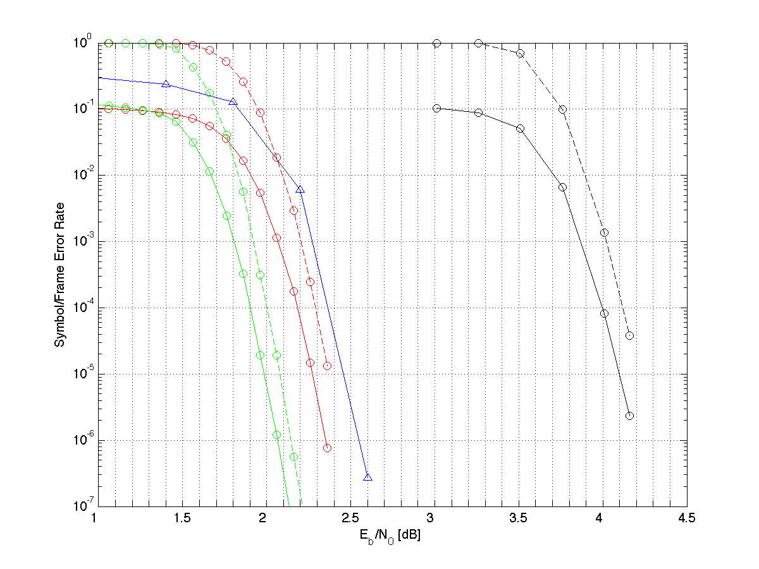
Uncoded

